Combined PRC Statistics
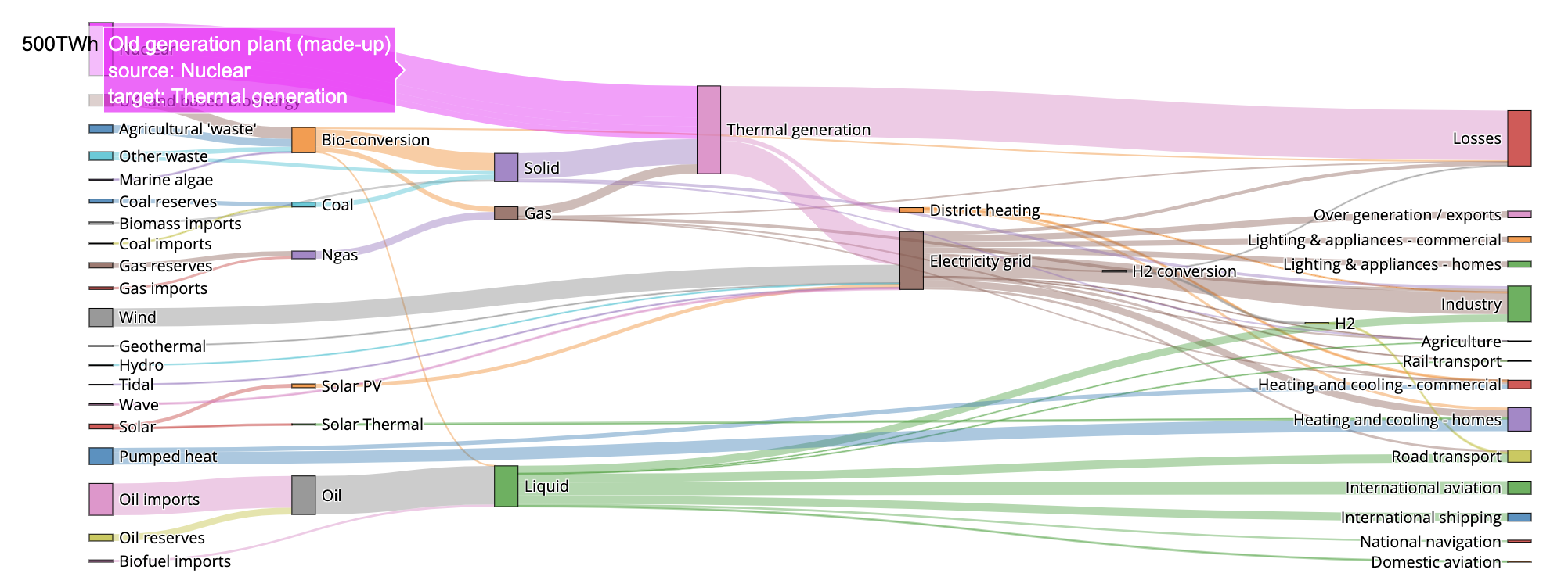
Number of process domains 5 |  | Number of risks 25 | Number of controls 39 | Number of control owners 17 | Number of business units 5

 | Process vs Risk vs Control Sankey Diagram

Control Stats
Control by Process Domain
 | Control Count
CECL | 10
Goodwill and Intangibles | 3
BlueMountain | 16
Leases | 7
Non-GAAP financial measures | 3
Control by Process Domain
 | Control Count
CECL | 10
Goodwill and Intangibles | 3
BlueMountain | 16
Leases | 7
Non-GAAP financial measures | 3
Controls to Process Domain
This is basically a comparasion of how many unique controls are associated with each process domain
 | Process Domain | Control Count
 | CECL | 10
 | Goodwill and Intangibles | 3
 | BlueMountain | 16
 | Leases | 7
 | Non-GAAP financial measures | 3

Risk Associated to Controls
 | Controls
CECL-R1 | 2
CECL-R2 | 2
CECL-R3 | 1
CECL-R4 | 1
CECL-R5 | 1
CECL-R6 | 1
CECL-R7 | 1
GI-R1 | 1
GI-R2 | 2
BM-R1 | 3
BM-R2 | 6
BM-R3 | 1
BM-R4 | 1
BM-R5 | 1
BM-R6 | 1
BM-R8 | 1
BM-R8 | 2
BM-R9 | 1
LS-R1 | 1
LS-R2 | 1
LS-R3 | 1
LS-R4 | 1
LS-R5 | 2
LS-R6 | 1
FM-R1 | 2
FM-R2 | 1
Risk Associated to Controls
 | Controls
CECL-R1 | 2
CECL-R2 | 2
CECL-R3 | 1
CECL-R4 | 1
CECL-R5 | 1
CECL-R6 | 1
CECL-R7 | 1
GI-R1 | 1
GI-R2 | 2
BM-R1 | 3
BM-R2 | 6
BM-R3 | 1
BM-R4 | 1
BM-R5 | 1
BM-R6 | 1
BM-R8 | 1
BM-R8 | 2
BM-R9 | 1
LS-R1 | 1
LS-R2 | 1
LS-R3 | 1
LS-R4 | 1
LS-R5 | 2
LS-R6 | 1
FM-R1 | 2
FM-R2 | 1
Controls to Risks
This is basically a comparasion of how many unique controls are associated with each process domain | Risk | Controls
 | CECL-R1 | 2
 | CECL-R2 | 2
 | CECL-R3 | 1
 | CECL-R4 | 1
 | CECL-R5 | 1
 | CECL-R6 | 1
 | CECL-R7 | 1
 | GI-R1 | 1
 | GI-R2 | 2
 | BM-R1 | 3
 | BM-R2 | 6
 | BM-R3 | 1
 | BM-R4 | 1
 | BM-R5 | 1
 | BM-R6 | 1
 | BM-R8 | 1
 | BM-R8 | 2
 | BM-R9 | 1
 | LS-R1 | 1
 | LS-R2 | 1
 | LS-R3 | 1
 | LS-R4 | 1
 | LS-R5 | 2
 | LS-R6 | 1
 | FM-R1 | 2
 | FM-R2 | 1

Controls per control owner
Controls per control owner
Controls associated to control owners
This is basically a comparasion of how many unique controls are associated with each control owner | Control Owners | Controls
 | Jennifer Jones / Charbel Ayoub | 1
 | Luke Dudley / Guang Ng | 1
 | Sylviana Cheng | 3
 | John McDevitt | 4
 | Jennifer Jones | 2
 | Luke Dudley | 12
 | Jen Mateicka | 2
 | Dava Ritchea | 2
 | Lee Kemper | 1
 | Charbel Ayoub | 1
 | Bill Findlay | 1
 | Paul Sasseville | 2
 | Belinda Leung | 3
 | Bob Morse | 1
 | Teresa Munoz | 1
 | Emil Rudsky | 1
 | Manmohan Pal-Singh | 1

Controls per business unit
Controls per business unit
Controls per Business Unit
This is basically a comparasion of how many unique controls are associated with each control unit | Business Unit | Controls
 | AMI | 8
 | AIGI | 12
 | BMI | 8
 | REI | 11

Controls per control type
Controls per control type
Controls by control type (manual vs auto)
This is basically a comparasion of how many unique controls are associated with each control type |  | Control Type | Controls
 |  | Manual | 36
 |  | Not Specified | 3

Controls per control type
Controls per control type
Controls by control type (preventive or detective)
This is basically a comparasion of how many unique controls are associated with each control type |  | Control Type | Controls
 |  | Detective | 12
 |  | Preventative | 27

Control per control frequency
Control per control frequency
Controls by control frequency
This is basically a comparasion of how many unique controls are associated with each control frequency |  | Control Frequency | Control
 |  | Annual | 6
 |  | Not Specified | 1
 |  | As required | 4
 |  | Quarterly | 28

Control vs key or non key
Control vs key or non key
Controls by key or non key control
This is basically a comparasion of how many unique controls are associated with each key or non key control |  | Key/Non Key | Control
 |  | Yes | 39
 |  | No | 0

Process Stats
Process to Process Domain
This is basically a comparasion of how many unique processes descriptions are associated with each process domain | Process Domain | Process Count
 | CECL | 2
 | Goodwill and Intangibles | 1
 | BlueMountain | 3
 | Leases | 2
 | Non-GAAP financial measures | 1
Process by Process Domain
Process by Process Domain

Process to Process Domain
This is basically a comparasion of how many unique processes descriptions are associated with each business unit | Business Unit | Process Count
 | AMI | 5
 | AIGI | 5
 | BMI | 5
 | REI | 5
Process by Business Unit
Process by Business Unit

Controls to Process Domain
This is basically a comparasion of how many control IDs are associated with each Process Domain | Process Domain | Control Count
 | CECL | 10
 | Goodwill and Intangibles | 3
 | BlueMountain | 16
 | Leases | 7
 | Non-GAAP financial measures | 3
Control by Process Domain
Control by Process Domain

Risk to Process Domain
This is basically a comparasion of how many control IDs are associated with each Process Domain | Process Domain | Risk Count
 | CECL | 10
 | Goodwill and Intangibles | 3
 | BlueMountain | 16
 | Leases | 7
 | Non-GAAP financial measures | 3
Risk by Process Domain
Risk by Process Domain

Risk Stats
Process to Risk
This is basically a comparasion of how many risks processes descriptions are associated with each process | Process Domain | Risks
 | CECL | 10
 | Goodwill and Intangibles | 3
 | BlueMountain | 16
 | Leases | 7
 | Non-GAAP financial measures | 3
Risk by Process Domain
Risk by Process Domain

Risk Associated to Controls
Risk to Control | Risk | Controls
This is basically a comparasion of how many controls are associated with each risk id | CECL-R1 | 2
 | CECL-R2 | 2
 | CECL-R3 | 1
 | CECL-R4 | 1
 | CECL-R5 | 1
 | CECL-R6 | 1
 | CECL-R7 | 1
 | GI-R1 | 1
 | GI-R2 | 2
 | BM-R1 | 3
 | BM-R2 | 6
 | BM-R3 | 1
 | BM-R4 | 1
 | BM-R5 | 1
 | BM-R6 | 1
Risk Associated to Controls
 | BM-R8 | 1
 | BM-R8 | 2
 | BM-R9 | 1
 | LS-R1 | 1
 | LS-R2 | 1
 | LS-R3 | 1
 | LS-R4 | 1
 | LS-R5 | 2
 | LS-R6 | 1
 | FM-R1 | 2
 | FM-R2 | 1

Risk to Business domain
This is basically a comparasion of how many risks are associated with each Business units | Business Unit | Risks
 | AMI | 8
 | AIGI | 12
 | BMI | 8
 | REI | 11
Risks associated in each business domain
Risks associated in each business domain

